Sheet1
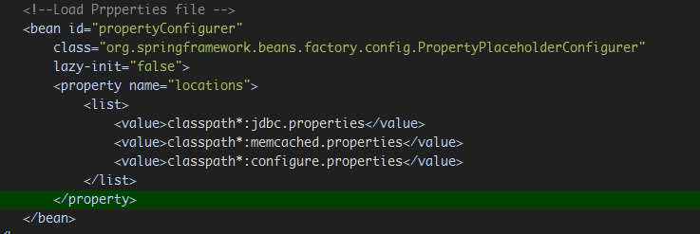
1. classpath*:和classpath:的区别

